Purchase order
 | Your Logo goes here |  |  |  |  |  |  |  |  |  |  |  |  |  |  | Purchase order
 |  |  |  |  |  |  |  |  |  |  |  |  |  |  |  | Date: |  | 2023-04-19
 |  |  |  |  |  |  |  |  |  |  |  |  |  |  |  | Purchase order # |  |  | 1034340

 | Vendor |  |  |  |  |  |  |  | Ship to |  |  |  |  | Bill to
 | Amazon Inc. |  |  |  |  |  |  |  | Amazon Inc. |  |  |  |  | Amazon Inc.
 | 123 new Spring Avenue |  |  |  |  |  |  |  | 123 new Spring Avenue |  |  |  |  | 123 new Spring Avenue
 | Allenspark,CO, 23434,US |  |  |  |  |  |  |  | Allenspark,CO, 23434,US |  |  |  |  | Allenspark,CO, 23434,US

 | Contact: |  | Mike Andrews |  |  |  |  |  | Contact: | John Andrews |  |  |  | Contact: |  |  | Billing

 | Email: |  | mike@amazon.com |  |  |  |  |  | Email: | john@yourcompany.com |  |  |  | Email: |  |  | billing@yourcompany.com

 | Cell: |  | 564-476-5647 |  |  |  |  |  | Cell: | 567-475-4564 |  |  |  | Phone: |  |  | 345-465-3645

 | Payment terms: |  |  |  | Net 30 |  | Order Contact: | John Andrews |  |  |  |  |  | Freight Terms: |  |  |  | NA

 | Special Notes: |  |  | Please deliver to the warehouse door located in the back of the building

Line |  | Item # |  | Supplier Item # |  | Product/Service |  |  |  |  | Qty | UOM | Unit Price |  | Other |  |  | Total |  | Delivery date
1 |  | 123 |  | 1234 |  | Amazon Basics Multipurpose Copy Printer Paper, 8.5 x 11 Inch 20Lb Paper - 8 Ream Case (4,000 Sheets), 92 GE Bright White |  |  |  |  | 10 | Each | $39 |  |  |  |  | $390 |  | 2023-04-25
2 |  | 124 |  | 1234 |  | Pilot G2 Premium Rolling Ball Gel |  |  |  |  | 5 | Each | $15 |  |  |  |  | $75 |  | 2023-04-25

 |  |  |  |  |  |  |  |  |  |  |  |  |  |  |  |  |  | Sub total |  | $465
 |  |  |  |  |  |  |  |  |  |  |  |  |  |  |  |  |  | Shipping |  | $33
 |  |  |  |  |  |  |  |  |  |  |  |  |  |  |  |  |  | Taxes |  | $20
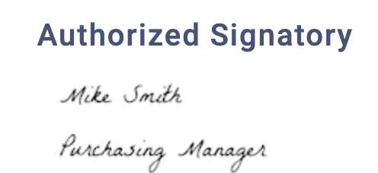
 |  |  |  |  |  |  |  |  |  |  |  |  |  |  |  | Order total |  |  | $518

